Indices

 | Iraq Stock Exchange
 | Bulletin No (32)
 | ISX Trading Indices of Wedneday 18/2/2026

 | Traded Volume and OTC |  | 528,590,798 |  | Traded Value and OTC |  | 995,340,140 |  | Traders | 756
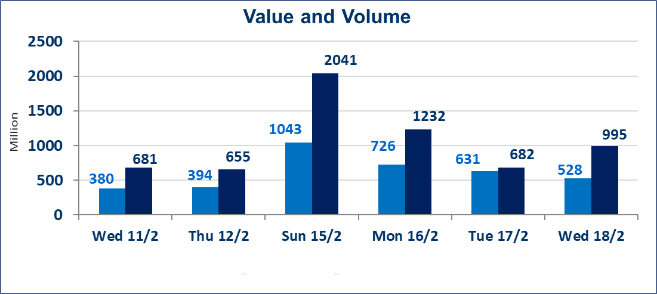
 | ISX Index 60 |  |  | 961.93 | ISX Index 15 |  |  | 1268.31
 | Previous ISX Index60 |  |  | 951.06 | Previous ISX Index15 |  |  | 1228.81
 | Change % |  |  | 1.14 | Change % |  |  | 3.21
 | Change |  |  | 10.87 | Change |  |  | 39.50

 | Listed Companies | 104 | OTC | 14 | Non Traded listed | 43 | OTC | 12
 | Traded Listed Companies | 51 | OTC | 2 | Higher Companies |  |  | 13
 | GAM Companies |  |  | 0 | Lower Companies |  |  | 15
 | Suspended Companies |  |  | 10
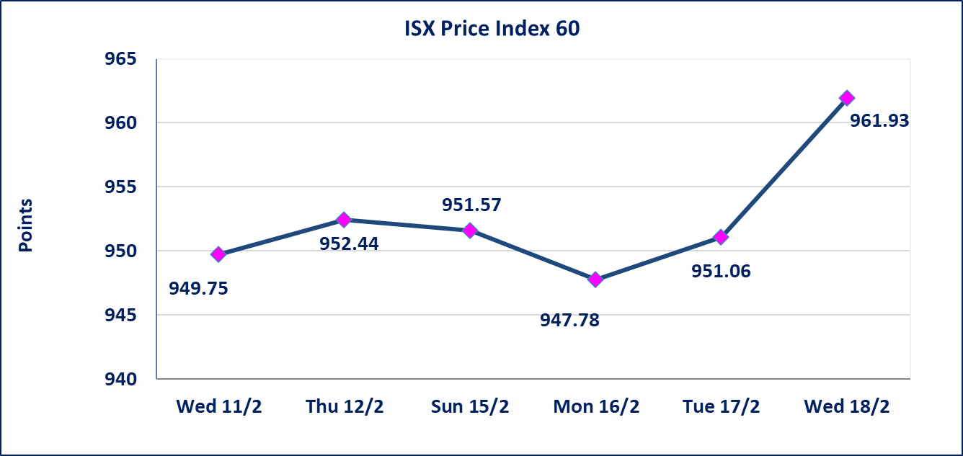
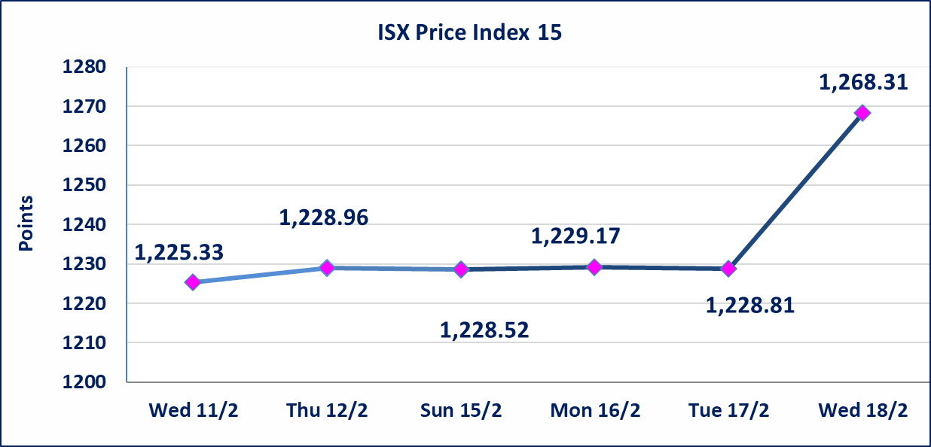

Al-Alwiya P.O . 3607 Mobile: 07711211522 - 07270094594 - 07834000034 E-mail: info-isx@isx-iq.net Web site:www.isx-iq.net

Top 5
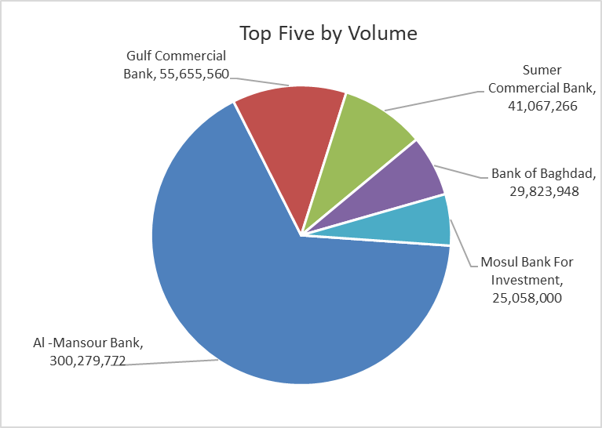
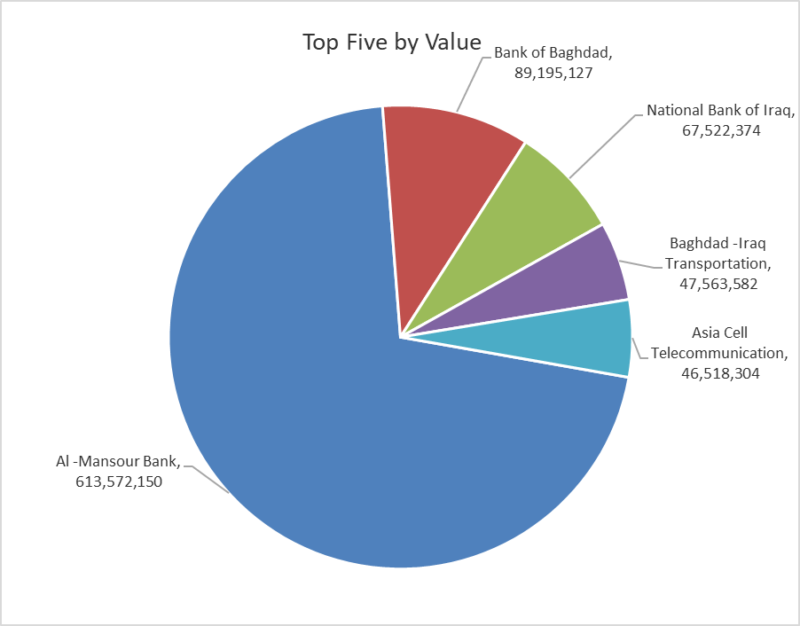

ISX top ganing and losing companies
Wedneday 18/2/2026
 | Gainers |  |  |  | Losers
 | Company Name | Closing Price | Change (%) | Traded Volume | Company Name | Closing Price | Change (%) | Traded Volume
 | Babylon Hotel | 120.000 | 14.29 | 15,000 | Elaf Islamic Bank | 0.190 | -9.52 | 1,000
 | National Islamic Bank | 0.540 | 10.20 | 15,000 | Kurdistan International Bank | 1.400 | -6.04 | 113,342
 | Palestine Hotel | 20.000 | 3.90 | 620,146 | Iraqi Date Processing and Marketing | 2.600 | -5.45 | 1,126,364
 | Al-Ameen for Insurance | 0.950 | 3.26 | 2,087,647 | National Chemical &Plastic | 1.900 | -5.00 | 199,701
 | Al-Ameen Estate Investment | 1.850 | 2.78 | 504,000 | Iraqi Carton Manufactories | 2.140 | -4.89 | 119,395
 | The most active companies in term of traded volume and value

 | Traded Volume |  |  |  | Traded Value
 | Company Name | Closing Price | Change (%) | Traded Volume | Company Name | Closing Price | Change (%) | Traded Value
 | Al -Mansour Bank | 2.060 | 0.49 | 300,279,772 | Al -Mansour Bank | 2.060 | 0.49 | 613,572,150
 | Gulf Commercial Bank | 0.310 | 0.00 | 55,655,560 | Bank of Baghdad | 3.040 | 2.01 | 89,195,127
 | Sumer Commercial Bank | 0.130 | 0.00 | 41,067,266 | National Bank of Iraq | 4.870 | 2.31 | 67,522,374
 | Bank of Baghdad | 3.040 | 2.01 | 29,823,948 | Baghdad -Iraq Transportation | 23.850 | -0.21 | 47,563,582
 | Mosul Bank For Investment | 0.130 | 0.00 | 25,058,000 | Asia Cell Telecommunication | 15.000 | 0.20 | 46,518,304

Non Iraqi

Iraq Stock Exchange
Non Iraqis' Bulletin Wednesday Feb 18 2026
Regular Market

Non Iraqi Trading of Regular Market (Buy)
Company Names | Code | No.of trades | Traded Shares | Trading Volume
Banks Sector
National Bank Of Iraq | BNOI | 10 | 3,146,272 | 15,078,624
Total Bank sector |  | 10 | 3,146,272 | 15,078,624
Grand Total |  | 10 | 3,146,272 | 15,078,624

Non Iraqi Trading of Regular Market (Sell)
Company Names | Code | No.of trades | Traded Shares | Trading Volume
Banks Sector
Al-Mansour Bank | BMNS | 32 | 198,426,734 | 404,790,537
Total Bank sector |  | 32 | 198,426,734 | 404,790,537
Services Sector
AL-Nukhba for Construction | SNUC | 1 | 14,902 | 9,537
Total Services sector |  | 1 | 14,902 | 9,537
Grand Total |  | 33 | 198,441,636 | 404,800,075

Not Trading Bonds

Iraq Stock Exchange
Wedneday 18/2/2026
Not Trading Bonds Bulletin
Bond type | Publish type | Code | last trading price | immortilize date
Banaa Bonds /Million ID | Second | CB20 | 964,981 | 19/12/2025
Eamar Bonds /Million ID | First | CB30 | 1,001,095 | ــــــــــــــــ
Eamar Bonds /Million ID | Second | CB40 | ــــــــــــــــ | ــــــــــــــــ
Eamar Bonds /500 Thousand ID | Third | CB45 | ــــــــــــــــ | ــــــــــــــــ
Eamar Bonds /Million ID | Third | CB50 | ــــــــــــــــ | ــــــــــــــــ
Injaz Bonds /500 Thousand ID | First | CB55 | ــــــــــــــــ | ــــــــــــــــ
Injaz Bonds /Million ID | First | CB60 | ــــــــــــــــ | ــــــــــــــــ
Injaz Bonds /500 Thousand ID | Second | CB65 | 515,047 | ــــــــــــــــ
Injaz Bonds /Million ID | Second | CB70 | 1,026,082 | ــــــــــــــــ
Injaz Bonds /500 Thousand ID | Third | CB75 | ــــــــــــــــ | ــــــــــــــــ
Injaz Bonds /Million ID | Third | CB80 | 978,182 | ــــــــــــــــ
National Bonds/Million ID | First | CB90 | ــــــــــــــــ | ــــــــــــــــ
National Bonds/500 Thousand ID | Second | CB95 | ــــــــــــــــ | ــــــــــــــــ
National Bonds/Million ID | Second | CB100 | ــــــــــــــــ | ــــــــــــــــ

